data
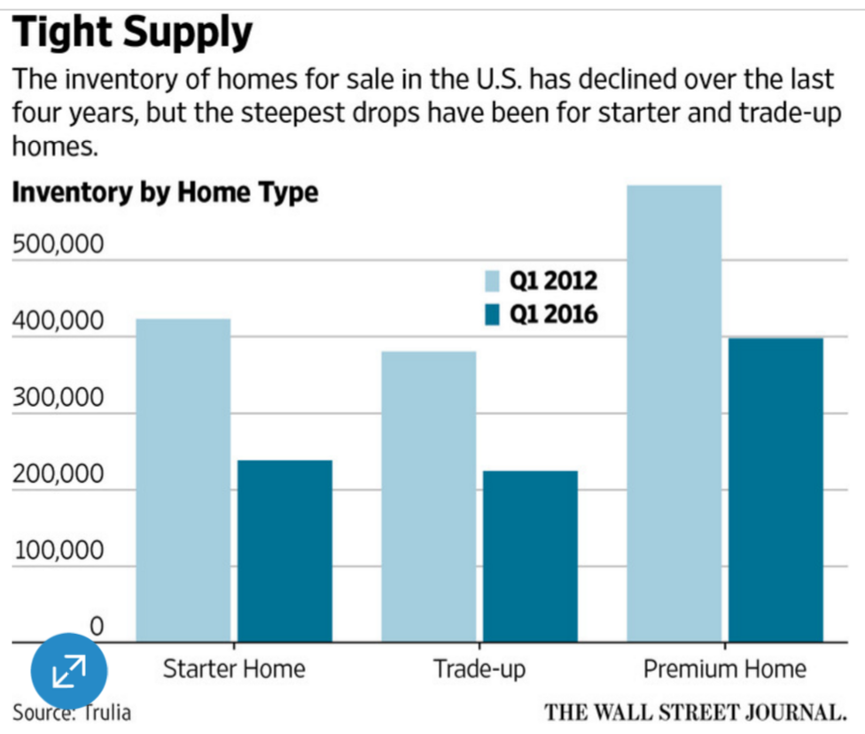
 | Inventory |  | PCT Change 2012-2016
 | Q1 2012 | Q1 2016 | Q1 2012 | Q1 2016
Starter | 422803.19149 | 238461 | 0 | -43.6%
Trade-Up | 380693.22034 | 224609 | 0 | -41.0%
Premium | 597295.7958 | 397799 | 0 | -33.4%
*data from http://www.trulia.com/blog/trends/inventory-price-watch-q116/
original chart from: http://www.wsj.com/articles/widening-u-s-home-price-gap-makes-trading-up-harder-1458505659

slopegraph
Tight Supply The inventory of homes for sale in the U.S. has declined over the last four years, but the steepest drops have been for starter and trade-up homes.
 | Starter | Trade-Up | Premium
Q1 2012 | 422803.19149 | 380693.22034 | 597295.7958
Q1 2016 | 238461 | 224609 | 397799
Tight Supply The inventory of homes for sale in the U.S. has declined over the last four years, but the steepest drops have been for starter and trade-up homes.
 | Starter | Trade-Up | Premium
Q1 2012 | 422803.19149 | 380693.22034 | 597295.7958
Q1 2016 | 238461 | 224609 | 397799

thinbars
Tight Supply The inventory of homes for sale in the U.S. has declined over the last four years, but the steepest drops have been for starter and trade-up homes.
Starter | -43.6%
Trade-Up | -41.0%
Premium | -33.4%

